Transaction Report Setup Guide
Instructions:

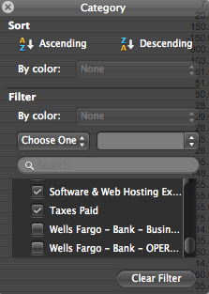
1) Download a transaction report from Bench for the time period concerned.
2) Highlight the row containing 'Date, Description, Category, Amount' and click the filter button.
3) Select the filter on the Category column and filter all Bank Accounts, Credit Cards,
Owner Contributions, MIT or any other Balance Sheet items except for Owner Drawing.

Transaction Detail report for Kickass Personal Branding LLC from 01 January, 2014 to 31 December, 2014

Date | Description | Category | Amount
1-Apr-14 | Amazon.com | Marketing & Advertising Expense | 7.87
28-Feb-14 | CHECK | License & Fee Expense | 20.00
27-Mar-14 | Cheque - Franchise Tax Board | Taxes Paid | 800.00
22-May-14 | Contra Costa County | License & Fee Expense | 103.27
13-Feb-14 | Contra Costa County | License & Fee Expense | 51.00
13-Feb-14 | Contra Costa County Department of Conservation and Development | License & Fee Expense | 50.00
25-Mar-14 | Debit Crd Pur Intl 03/21 Quickbooks Online London Ec4V 6 Gb 425907xxxxxx6927 084080574439110 ?McC=5734 121042882DA | Software & Web Hosting Expense | 28.20
23-Apr-14 | Debit Crd Pur Intl 04/20 Intuit Uk London Ec4V 6 Gb 425907xxxxxx6927 004110297765020 ?McC=5734 | Software & Web Hosting Expense | 29.03
22-May-14 | DEBIT CRD PUR INTL 05/20 INTUIT UK LONDON EC4V 6 GB 425907XXXXXX6927 xxxxxxxxxxx2010 ?MCC=5734 | Software & Web Hosting Expense | 28.82
27-May-14 | DEBIT CRD PUR INTL 05/24 GOOGLE*ADWS6269805 ADWORDS GB 425907XXXXXX6927 xxxxxxxxxxx8376 ?MCC=5968 | Marketing & Advertising Expense | 45.14
24-Jun-14 | DEBIT CRD PUR INTL 06/20 INTUIT UK LONDON EC4V 6 GB 425907XXXXXX6927 xxxxxxxxxxx1245 ?MCC=5734 | Software & Web Hosting Expense | 28.59
23-Jun-14 | DEBIT CRD PUR INTL 06/22 GOOGLE*ADWS6269805 ADWORDS GB 425907XXXXXX6927 xxxxxxxxxxx7907 ?MCC=5968 | Marketing & Advertising Expense | 148.05
3-Mar-14 | Dreamstime LLC | Marketing & Advertising Expense | 14.99
3-Mar-14 | Dreamstime.com, LLC | Marketing & Advertising Expense | 14.99
29-Apr-14 | Facebook | Marketing & Advertising Expense | 250.36
5-Mar-14 | Facebook | Marketing & Advertising Expense | 50.03
28-Feb-14 | Facebook | Marketing & Advertising Expense | 42.93
27-Feb-14 | Facebook | Marketing & Advertising Expense | 26.45
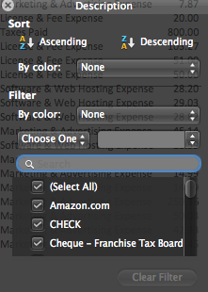

4) Sort the transactions by description ascending by clicking on the filter button on Description.

5) Copy and Paste the transactions into the Transaction Consistency Checker.

6) Populate the Keywords and Ledger Rules sheet.

